Mill & Process Data
MILL DATA SHEET

1./ DASHBOARD - MILL DESIGN DATA - confirm mill data in RED
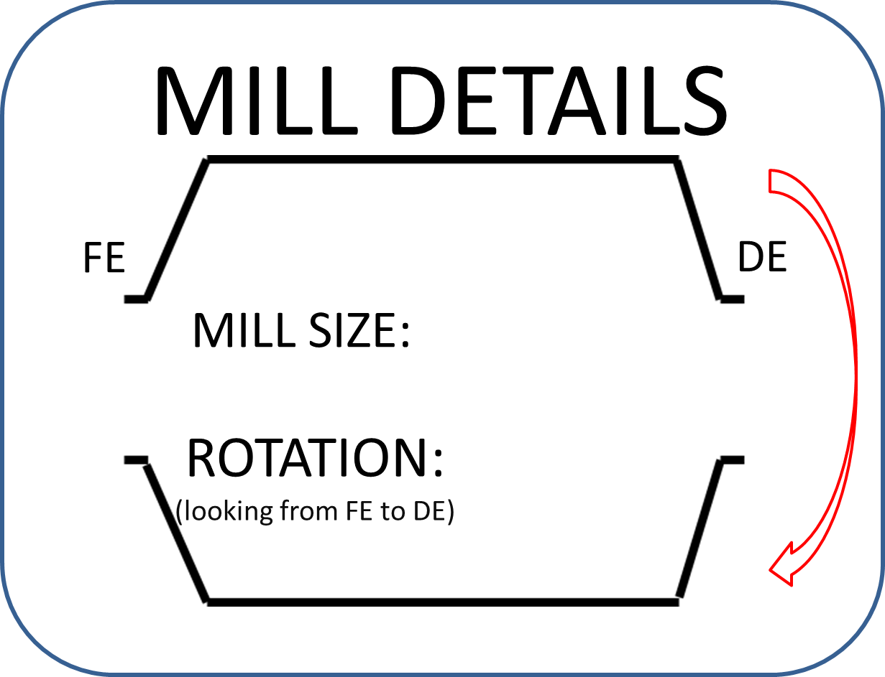
SAG
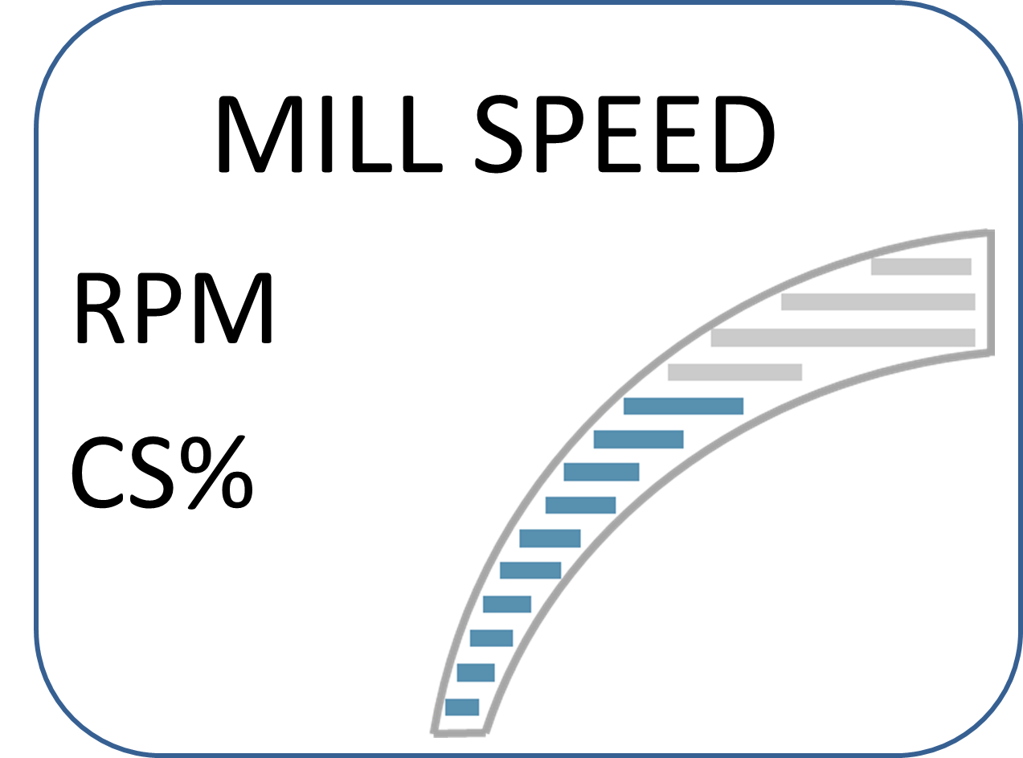
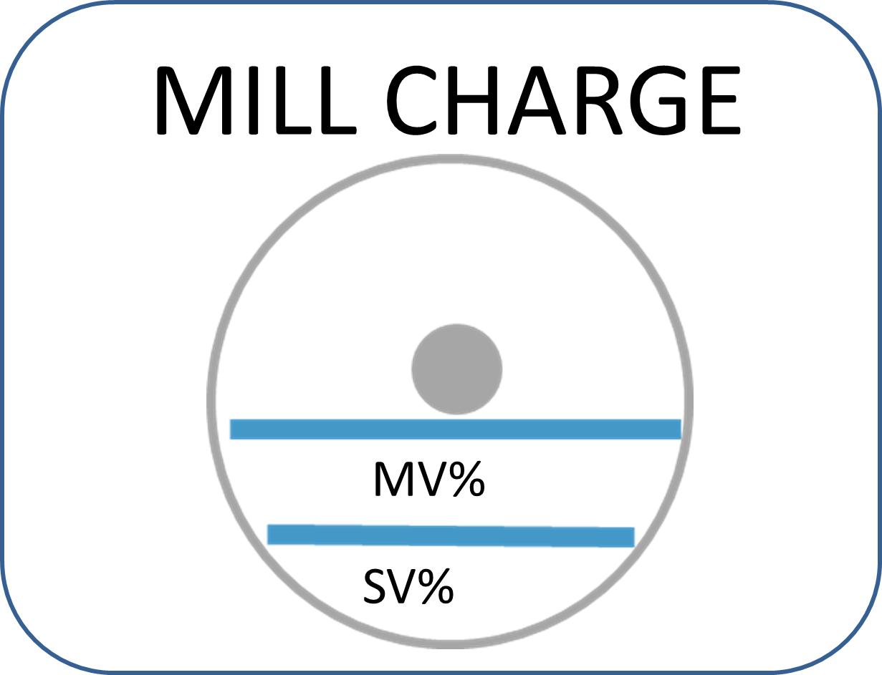
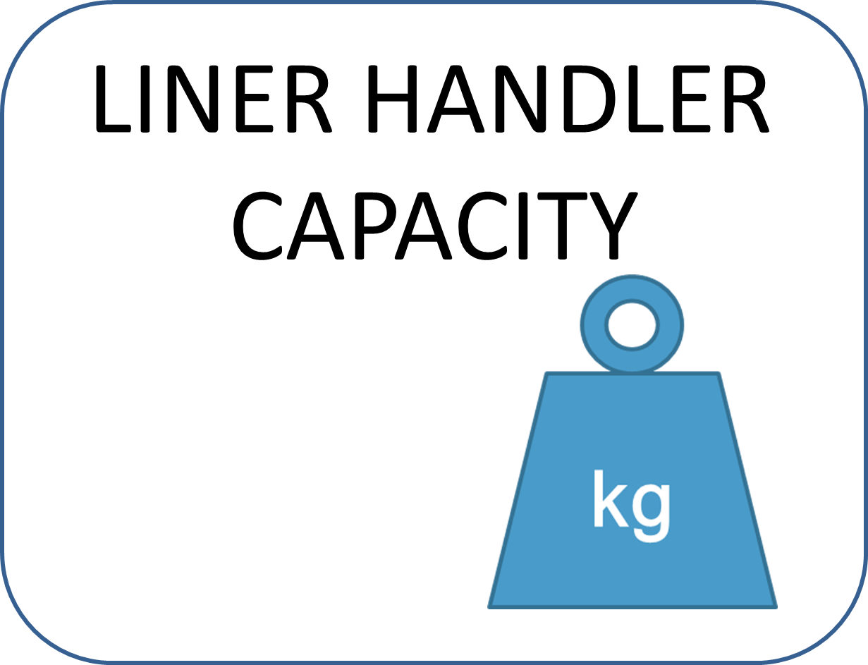
38 x 20
Bi
10.23
81.5
133
31.6
6500 kg
21
Customer Approval:
Date:
2./ SITE DETAILS

 | Operator: | PT Freeport
 | Name & Location: | Indonesia
 | Contact:
 | Position:
 | Phone No.: |  | Mobile No.:
 | Fax No.: |  | E-mail: | epurnmo@fmi.com

3./ MILL DATA

 | Name of Mill: | SAG 3
 | Type of Mill: | SAG | SAG / AG / Ball / Rod
 | Manufacturer:
 | Diameter ID: - m | 11.555 | 37.910104987
 | Length of Shell: - m | 6.110 | 20.045931759
 | F.E Trunnion ID: - m | 2350.0 | 7709.9737533 | Grate Discharge: Y/N | Y
 | D.E Trunnion ID: - m | 2718.0 | 8917.3228346 | Mill Operation: Wet / Dry | Wet
 | Cone Angle - Degrees | 15 |  | Overflow: Y/N
 | No. of Rows Drilled: - Shell: | 34
 | - FE & DE Heads: | 16
 | Bolt Size: - mm |  | 0
 | Rubber Backing Thickness: - mm |  | 0
 | Reline Machine (Make) |  |  | SWL Capacity (kgs)

4./ OPERATION

 | Mill Speed Range (RPM): | 9.26 - 10.2 | Min. - Max. | Variable / Fixed Speed: | Variable
 | Typical RPM: | 10.2 |  | Uni / Bi-Directional: | BI
 | Mill Speed Range (%Critical): | 73.8 - 81.5 | Min. - Max. | Direction of Rotation: - FE to DE
 | Typical %Nc: | 82
 | Total % Mill Volume: | 31.6
 | % Steel Ball Load: | 21
 | Top Size Steel Ball: - mm | 140 | 5.5118110236
 | Ore Feed Size F80 - mm | 127 |  | Ore Passing Size P80 - mm | 1.117
 | New Feed: - t/h | 4345 |  | Recycle Load: - t/h | 1200

5./ ORE DATA

 | Ore Type: | Copper | Gold / Copper / Nickel / Lead-Zinc / Iron / Other
 | Bond Work Index: (kWh/t) | 11 | Density: | 2730 | kg/m3
 | Rock Data & Size Classification
 | Rock Class | Size Classification Range (mm) | %
 | 1 | 212.0 | 100.0
 | 2 | 106.0 | 83.3
 | 3 | 53.0 | 32.4
 | 4 | 26.5 | 14.4
 | 5 | 9.5 | 9.7
 | 6 | 2.4 | 5.6

6./ MEDIA DATA

 | Media Supplier: | Molycop | Density: | 4645 | kg/m3
 | Ball Size & Distribution
 | Ball Class | Size Classification Range (mm) | %
 | 1 | 140 | 16
 | 2 | 133 | 24
 | 3 | 127 | 60

 | 4
 | 5
 | 6

Liner Details
MILL DATA SHEET

6./ LINER DETAILS

 | FEED END
 | Supplier:
 | Material Type: |  | Steel / Rubber / Polymet
 | Material Grade:
 | Liner Type: |  | Integral / Plate & Lifter
 | No. of Rows: | Throat Liner |  | No. of Segments per Row:
 |  | Inner
 |  | Middle
 |  | Outer
 | Plate Thickness:
 | Max. Lifter Height: |  | Above Plate
 | Lifter Face Angle:

 | SHELL
 | Supplier:
 | Material Type: |  | Steel / Rubber / Polymet
 | Material Grade:
 | Liner Type: |  | Top Hat / Rail / Plate & Lifter
 | Liner Configuration: |  | High / High or High / Low
 | No. of Rows around the Mill:
 | No. of Liner along the Length:
 | Rubber Widgets used: Y/N
 | Plate Thickness:
 | Lifter Face Angle: |  | High |  | Low
 | Lifter Height above Plate: |  | High |  | Low
 | Total Height:
 | Lifter Top Face Width: |  | High |  | Low
 | Lifter Base Width |  | High |  | Low

 | DISCHARGE END

 | Liners & Grates
 | Supplier:
 | Material Type: |  | Steel / Rubber / Polymet
 | Material Grade:
 | Liner Type: |  | Integral / Plate & Lifter
 | No. of Rows: | Throat Liner |  | No. of Segments per Row:
 |  | Inner
 |  | Middle
 |  | Outer
 | Plate Thickness:
 | Lifter above the Plate: |  | Above Plate
 | Lifter Face Angle:
 | Liner Configuration: |  | Bridging / Cantilever
 | Slot Size: |  | Outer |  | Inner
 | Pebble Port Size: |  | Outer |  | Inner
 | Open Area Per Grate: - m/2 |  | Outer |  | Inner
 | Total Grate % Open Area:

 | Pulp Lifters
 | Supplier:
 | Material Type: |  | Steel / Rubber
 | Material Grade:
 | No. of Rows: | Discharge Cone |  | No. of Segments per Row:
 |  | Inner
 |  | Middle
 |  | Outer
 | Plate Thickness:
 | Pulp Cavity: |  | Parrallel / Tapered
 | Pulp Lifter Height above Plate: |  | Outer Pulp to Discharge Cone

